Dashboard
Accomplishments of Meals on Wheels from 2015 to 2020

Historical Performance
2020 Status

 | Hot Meals | Frozen Meals
Apr | 12,430 | 2,110
May | 12,740 | 2,580
Jun | 12,760 | 2,265
Jul | 12,395 | 2,625
Aug | 12,125 | 2,397
Sep | 11,726 | 2,450
Oct | 12,630 | 2,613
Nov | 13,230 | 2,420
Dec | 11,315 | 2,860
Jan | 13,190 | 2,185
Feb | 11,895 | 2,640
Mar | 13,090 | 2,945
 | 149,526
 | 30,090
 | 498
 | Range | Point
 | 60 | 95
 | 20 | 2
 | 20 | 103
 | 100
 | Range | Point
 | 60 | 95
 | 20 | 2
 | 20 | 103
 | 100
Total Clients
MSAA Target | 420 (336-504)
Total Meals Delivered
Frozen Meals
37,695
MSAA Target | 37,000 (35,150-38,850)
Hot Meals
29,138
8,557
498
Over 65 | 84%
Under 65 | 16%
Client Profile
78
Average Age
of Female Clients
74
Average Age
of Male Clients
Clients Over 65 Years Old
84%
Reporting Period
Number of Clients from 2015 to 2020 by Month
 | - - 2015-2016 | - - 2016-2017 | - - 2017-2018 | - - 2018-2019 | - - 2019-2020
Apr | 200 | 200 | 202 | 201 | 200
May | 240 | 220 | 230 | 230 | 235
Jun | 270 | 235 | 248 | 250 | 255
Jul | 300 | 252 | 270 | 262 | 285
Aug | 335 | 275 | 295 | 275 | 310
Sep | 350 | 300 | 310 | 290 | 328
Oct | 360 | 325 | 340 | 325 | 355
Nov | 390 | 348 | 360 | 350 | 375
Dec | 410 | 360 | 370 | 360 | 405
Jan | 438 | 398 | 410 | 405 | 437
Feb | 450 | 415 | 425 | 415 | 465
Mar | 465 | 425 | 450 | 425 | 498

Summary of Statistics
Number of Meals Delivered from 2015 to 2020 by Month

Total Clients

Total Hot Meals

Total Frozen Meals

Pivot
Sum of Meal Count | Column Labels
Row Labels | Hot Meals | Frozen Meals | Grand Total
Apr | 12,430 | 2,110 | 14,540
May | 12,740 | 2,580 | 15,320
Jun | 12,760 | 2,265 | 15,025
Jul | 12,395 | 2,625 | 15,020
Aug | 12,125 | 2,397 | 14,522
Sep | 11,726 | 2,450 | 14,176
Oct | 12,630 | 2,613 | 15,243
Nov | 13,230 | 2,420 | 15,650
Dec | 11,315 | 2,860 | 14,175
Jan | 13,190 | 2,185 | 15,375
Feb | 11,895 | 2,640 | 14,535
Mar | 13,090 | 2,945 | 16,035
Grand Total | 149,526 | 30,090 | 179,616

 | 149,526 | 30,090

Sum of Meal Count | Column Labels
 | -
Row Labels | 2015-2016 | 2016-2017 | 2017-2018 | 2018-2019 | 2019-2020
Apr | 200 | 200 | 202 | 201 | 200
May | 240 | 220 | 230 | 230 | 235
Jun | 270 | 235 | 248 | 250 | 255
Jul | 300 | 252 | 270 | 262 | 285
Aug | 335 | 275 | 295 | 275 | 310
Sep | 350 | 300 | 310 | 290 | 328
Oct | 360 | 325 | 340 | 325 | 355
Nov | 390 | 348 | 360 | 350 | 375
Dec | 410 | 360 | 370 | 360 | 405
Jan | 438 | 398 | 410 | 405 | 437
Feb | 450 | 415 | 425 | 415 | 465
Mar | 465 | 425 | 450 | 425 | 498
Grand Total | 4,208 | 3,753 | 3,910 | 3,788 | 4,148

 |  |  |  |  | 498

Sum of Meal Count | Column Labels
Row Labels | Frozen Meals | Hot Meals | Grand Total
Jan | 2,185 | 13,190 | 15,375
Feb | 2,640 | 11,895 | 14,535
Mar | 2,945 | 13,090 | 16,035
Apr | 2,110 | 12,430 | 14,540
May | 2,580 | 12,740 | 15,320
Jun | 2,265 | 12,760 | 15,025
Jul | 2,625 | 12,395 | 15,020
Aug | 2,397 | 12,125 | 14,522
Sep | 2,450 | 11,726 | 14,176
Oct | 2,613 | 12,630 | 15,243
Nov | 2,420 | 13,230 | 15,650
Dec | 2,860 | 11,315 | 14,175
Grand Total | 30,090 | 149,526 | 179,616

Data2
Program Operation | 2012-2013 | 2013-2014 | 2014-2015 | 2015-2016 | 2016-2017 | 2017-2018
Total number of meals prepared and delivered to Meals on Wheels (Sudbury) clients, as defined as Ministry of health Units (MOH Units): | 34941 | 36466
Total number of Hot Meal Program meals served | 30593 | 32706
Total Number of Home Meal Replacement Program meals served | 4348 | 3760
Total Number of individulas who received meal program services from Meals on Wheels (Sudbury) | 444 | 436
Total number of clients eligible for financial subsidy from Agency | 5

Client Profile
Total number of clients over 65 years of age | 371 (84%) | 376 (86%)
Total number of female clients | 263 | 263
Percentage of female registered clients | 0.68 | 0.6
Total number of female clients over 65 years of age | 217

Fundraising
Amount fundraised by Meals on Wheels (Sudbury) | 159159
Cost to Fundraise | 27930
Cost ratio for fundraising | 0.18

Finances & Funding
Total Agency revenue (in dollars) | 914357 | 859103
Total Agency expenses (in dollars) | 892513 | 847743
Actual unit cost per meal (in dollars) | 16 | 20.92

Funders
NELHIN (at 26,000 unit funding level) | 0.48 | 0.51
Client Fees (at 26,000 unit funding level) | 0.23
Client Fees (with one time funding) | 0.08
Ontario Trillium Foundation | 0.07
Fundraising (inclusive of social enterprise contribution) | 0.14

Volunteering
Total Number of Volunteers Registered with the Agency | 79 | 82 | 89 | 129 | 125
Volunteers Delivery Drivers | 53 | 54 | 62 | 82 | 78 | 70
Number of multi-member volunteer teams |  | 3
Volunteers Delivery Driver Helpers | 15 | 14 | 11 | 17 | 22 | 17
Kitchen Volunteers | 1 | 2 | 6 | 10 | 5 | 3
Office Volunteers | 3 | 2 | 3 | 8 | 6 | 7
Board Members | 7 | 7 | 7 | 12 | 9 | 7
Corporate Volunteers |  |  |  |  | 5 | 2
Maximum number of daily delivery routes driven by volunteers in one day | 12
Maximum number of meals delivered per route | 17

Number of New Volunteers |  |  | 15 | 44 | 42 | 25
Number of Volunteer Hours Contributed to Meals on Wheels Programs |  | 4707 | 5029 or 718 days of work | 5,209 or 744 straight days of work | 4,858 or 580 straight days of work | 4,721 or 590 straight days of work
Number of Kilometers Traveled to Deliver Client Meals |  | 105359 | 92,611 kM or 10,290,111 Sudbury Big Nickels placed side x side | 59,089 kM or 6,555,564 Sudbury Big Nickels placed side x side | 56,187 kM or 6,144,685 Sudbury Big Nickels placed side x side | 57,196 kM or 6,291,560 Sudbury Big Nickels placed side x side
Number of Meal Delivery Route, with a maximum of 17 meals/route |  |  | 2670 | 2771 | 1989 | 2765 |  | MSAA Target | Count | % |  | Range | Point
Total Hours to Deliver Meals |  |  |  |  | 86721 |  |  | Start | 0 | 0 |  | 60 | 95
% of Meal Delivery Route Delivered by Staff due to Lack of Volunteers |  |  | 0.2 | 0.2 |  |  |  | Minimum | 35150 | 0.05 | 1850 | 20 | 2
Number of Hot Meals Delivered |  |  | 30400 | 31396 | 28730 | 28783 |  | Average | 37000 | 0.95238095238 | 1850 | 20 | 103
Number of Frozen Meals Delivered |  |  | 4022 | 4464 | 5088 | 5993 |  | Maximum | 38850 | 0.95 |  | 100 |  | 95 meals
Total Number of Meals Served to Clients |  |  | 34422 | 35860 | 33818 | 34776
Total Number of Meals Prepared for Quality Control and Volunteer Acknowledgment |  |  | 940 | 940
Number of Meals on Wheels (Sudbury) Clients Supported |  |  | 404 | 467 | 431 | 447
Number of Meals on Wheels (Sudbury) Clients Over 65 Years of Age |  |  | 354 | 411
Percentage of Clients Over 65 |  |  |  |  |  | 0.85 | 0.84 | Over 65 | 84%
Avg Age of Females |  |  |  |  | 80 | 80 |  | Under 65 | 16%
Percentage of Females |  |  |  |  | 0.58 |  | 0.61
Avg Age of Males |  |  |  |  | 77 | 77 | 0.39 | Female | 61%
Percentage of Males |  |  |  |  | 0.42 |  |  | Male | 39%
Number of Female Clients |  |  |  |  |  | 256 | 78
Number of Male Clients |  |  |  |  |  | 191 | 74
Average Meals per month x 12 months |  |  |  |  |  |  | 226170
Total Meals delivered to date (HMR and HMP) |  |  |  |  |  |  | 37695

Volunteers | Count
Corporate | 2
Kitchen | 3
Office | 7
Board Members | 7
Delivery Driver Helpers | 17
Delivery Drivers | 70

Data1
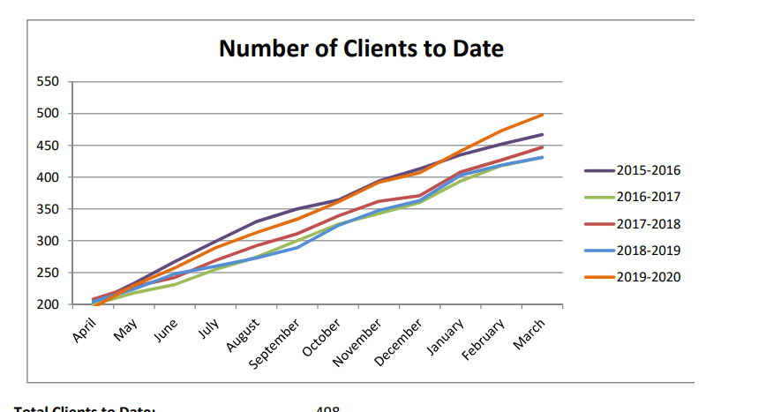
Number of Clients to Date
Month | 2015-2016 | 2016-2017 | 2017-2018 | 2018-2019 | 2019-2020
Apr | 200 | 200 | 202 | 201 | 200
May | 240 | 220 | 230 | 230 | 240
Jun | 270 | 235 | 248 | 250 | 260
Jul | 300 | 252 | 270 | 262 | 290
Aug | 335 | 275 | 295 | 275 | 310
Sep | 350 | 300 | 310 | 290 | 338
Oct | 360 | 325 | 340 | 325 | 360
Nov | 390 | 348 | 360 | 350 | 390
Dec | 410 | 360 | 370 | 360 | 405
Jan | 438 | 398 | 410 | 405 | 447
Feb | 450 | 415 | 425 | 415 | 475
Mar | 465 | 425 | 450 | 425 | 498

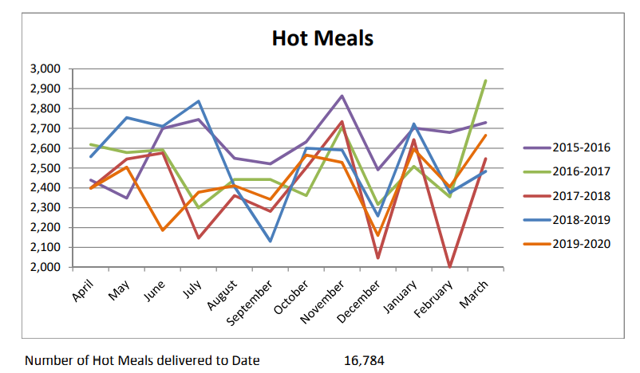
Hot Meals
Month | 2015-2016 | 2016-2017 | 2017-2018 | 2018-2019 | 2019-2020
Apr | 2430 | 2610 | 2400 | 2580 | 2400
May | 2350 | 2595 | 2550 | 2750 | 2500
Jun | 2700 | 2600 | 2595 | 2705 | 2200
Jul | 2740 | 2300 | 2150 | 2820 | 2390
Aug | 2550 | 2450 | 2350 | 2400 | 2400
Sep | 2515 | 2445 | 2298 | 2140 | 2350
Oct | 2610 | 2380 | 2500 | 2600 | 2580
Nov | 2710 | 2700 | 2705 | 2595 | 2510
Dec | 2500 | 2305 | 2050 | 2280 | 2180
Jan | 2700 | 2500 | 2650 | 2710 | 2620
Feb | 2695 | 2380 | 2000 | 2390 | 2400
Mar | 2715 | 2945 | 2250 | 2495 | 2680

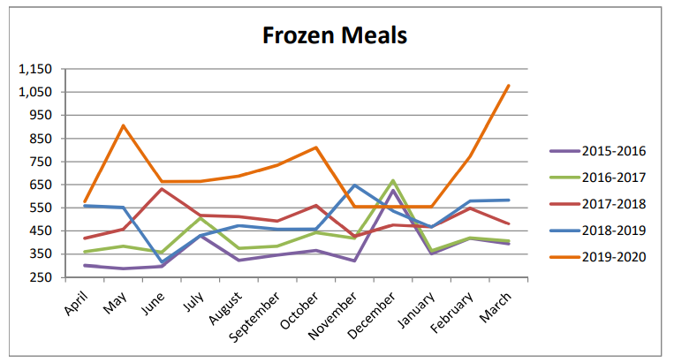
Frozen Meals
Month | 2015-2016 | 2016-2017 | 2017-2018 | 2018-2019 | 2019-2020
Apr | 300 | 310 | 420 | 510 | 570
May | 290 | 390 | 450 | 550 | 900
Jun | 300 | 350 | 640 | 310 | 665
Jul | 440 | 530 | 535 | 440 | 680
Aug | 340 | 370 | 530 | 460 | 697
Sep | 350 | 375 | 500 | 450 | 775
Oct | 360 | 448 | 555 | 450 | 800
Nov | 330 | 440 | 440 | 650 | 560
Dec | 640 | 660 | 460 | 540 | 560
Jan | 350 | 355 | 460 | 460 | 560
Feb | 405 | 405 | 550 | 560 | 720
Mar | 400 | 410 | 495 | 570 | 1070

